Expense Report
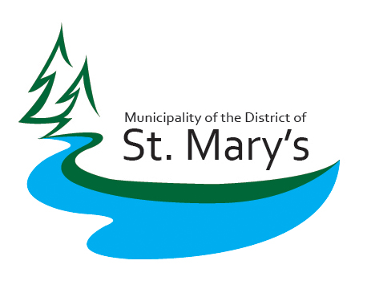
Municipality of St. Mary's Expense Claim

Claimant's Name: | James Harpell

Claimant's Title: | Councillor

Period Covered: | September 1-30

Date Submitted: |  |  |  |  |  |  |  |  |  |  | Paid by Municipality

Date Expense Incurred | Business Purpose of Expense: must include: meeting name/conference | Professional/Travel Development Expense Type | Location | kms driven | Mileage calculated @ | Meals |  |  | Other |  | Credit Card | Invoice | Notes
 |  | (mileage/hotel/airfare) |  |  | 0.55 | Breakfast | Lunch | Dinner | Expenses
 |  |  |  |  |  | $15 | $20 | $20
 |  |  |  |  |  |  | - | - | -

 |  |  |  |  | -
 |  |  |  |  | -
 |  |  |  |  | -
 | Totals: | - | - | 0 | $- | $- | $- | $- | $- | - | -

I certify that the amounts claimed in this request are accurate, in accordance |  |  |  |  |  |  |  | Total Claim: | 0
with municipal policy, and were incurred while conducting municipal business. |  |  |  |  |  |  |  | Less amount paid directly by municipality: | -

James Harpell | Councillor | _____________________
Print name and position |  | Signed

*APPROVED by: |  |  |  |  |  |  |  | Balance due (owed): | 0

 |  | ________________
Print Name and Position |  | Signed

 |  | ________________
Print Name and Position |  | Signed

Notes:
Travel expenses include, but are not limited to accommodations, transportation and incidentals
Professional development expenses include, but are not limited to course registration fees
Business purpose of an expense include, but are not limited to: confernces, meetings, municipal events, professional development
Alcohol cannot be expensed by an individual to a municipality
*By approving and signing this expense claim, approvers are attesting that the claim abides by municipal expense policies to the best of their knowledge

